Instructions
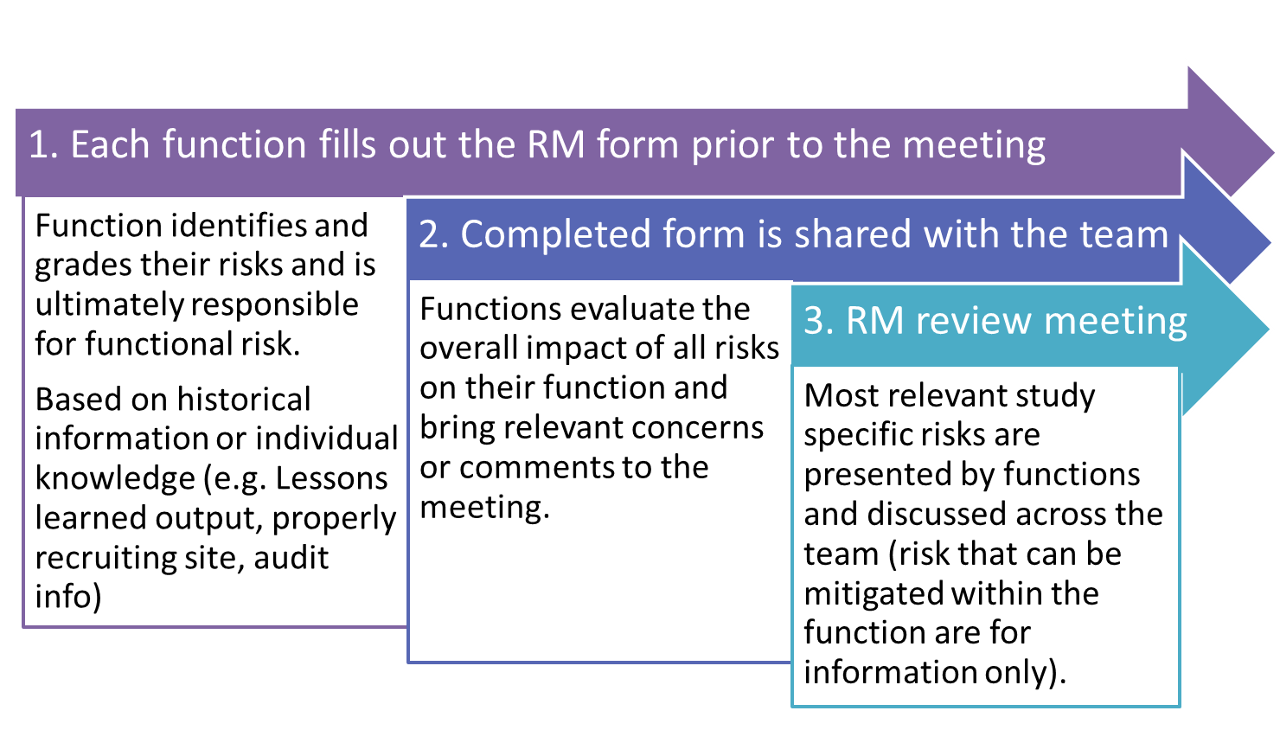
RISK MANAGEMENT PROCESS OVERVIEW

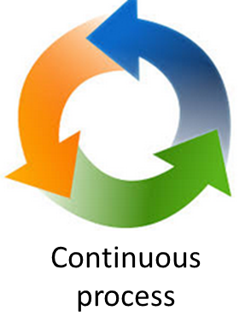

RISK MANAGEMENT CONCEPTS

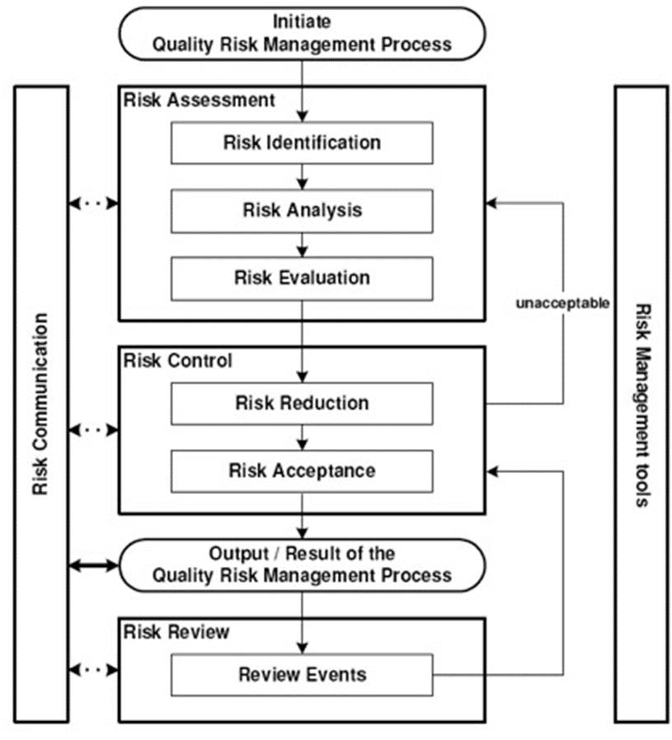

 | RISK IDENTIFICATION | What might go wrong?
 |  |  | Background information (e.g. lessons learned, audit information if available)
 |  |  | Consider team´s experience

 | RISK ANALYSIS | what is the problem and what is causing it

 | RISK EVALUATION | Use the risk matrix to evaluate the risk
 |  |  | First identify probability of issue occuring
 |  |  | Then assess the impact should it occur
 |  |  | Obtain score in grid and adjust based on likelihood of detection - i.e. easy to detect, risk is lower and overall risk may be reduced

 | RISK CONTROL | Accept: Acknowledge and accept the existence of a particular risk or residual risk. There are risks where we can do nothing or all has been done and there is residual risk which needs to be accepted. If the risk is small and does not have a significant impact we can accept the risk
 |  | Avoid: Avoid the risk. Risk avoidance refers to prevention of risks from happening. For example, not flying to avoid the plane being hijacked
 |  | Reduce: Implement actions to minimize the impact or likelihood of the risk. For example contingency plan of having sites ready to start.
 |  | Transfer: transfer risk or paying someone else to accept the risk. For example insurance.

 | COMMUNICATE RISK | Prioritise risks and assign mitigation owner and deadline
 |  | Minute risk assessment and distribute
 |  | Ensure relevant risks are considered in vendor oversight plan to ensure focus by vendor and oversight
 |  | Ensure relevant risks are considered in monitoring plan to ensure focus by monitor
 |  | Escalate issues as per below and when high risk action plan needs to be prepared
 |  |  | Individual risks
 |  | low | manage within team
 |  | medium | Escalate to functional / line manager
 |  | high | Escalate Manager +1

 | REASSESS RISK | Re-assess risks on a very regular basis to ensure risks are managed on an ongoing basis. As a minimum this should happen at the following times
 |  |  | At draft protocol stage
 |  |  | After SIV
 |  |  | During recruitment
 |  |  | At DB lock
 |  | Check if issues raised warrant an update to other documents, e.g. Monitoring Plan, Vendor Oversight Plan

